Solution
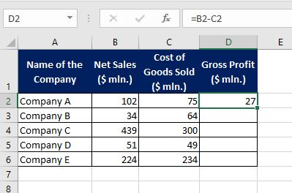
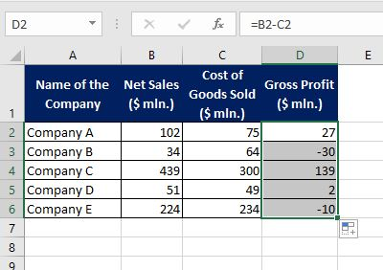
Name of the Company | Net Sales ($ mln.) | Cost of Goods Sold ($ mln.) | Gross Profit ($ mln.)
Company A | 102 | 75 | 27 | = B2 - C2 | Solution: Hint: Alternatively, you may only type '= B2 - C2' in D2 and then click on the bottom right corner of D2 and drag it down to D6.
Company B | 34 | 64 | -30 | = B3 - C3
Company C | 439 | 300 | 139 | = B4 - C4 | 1) | 2)
Company D | 51 | 49 | 2 | = B5 - C5
Company E | 224 | 234 | -10 | = B6 - C6

